CARO MAP
1
15
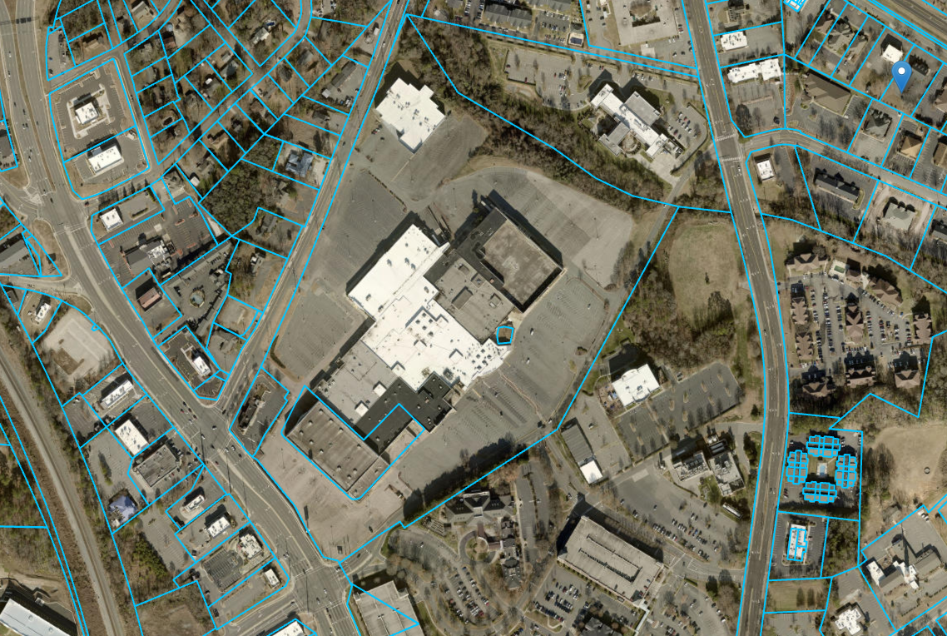
14
13
12
11
14
10
1
2
9
1
8
13
1
3
7
12

26
4
6
25
5
5
6
1
24
4
8
7
10
9
23
22
3
11
2
20
21
19
1
18
17

16
15

